BUTTON
PROCESS
Allowance Inch | Allowance %
0 | 0.0%

CLEAR

PR
PATTERN REQUEST |  |  |  |  |  |  |  | Yes
PT. GISTEX GARMEN INDONESIA |  |  |  |  |  |  |  | No

DATE | BRAND |  | AGENT | SEASON/ CONTRACT | DECRIPTION | STYLE | GARMENT SKETCH
8-May-24 | KCIC |  |  |  | Kemeja Long Sleeve Shirt Pria (Dengan skoder bahu skoder tangan) | PDL Pria | 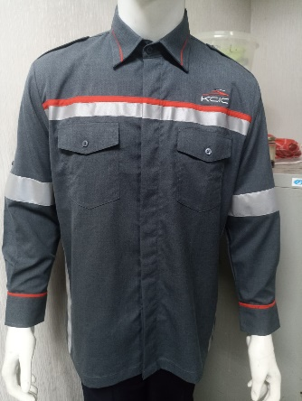

ATTACHED
PATT | SPEC | SKETCH | SAMPLE
Yes | Yes | Yes | No

NO. | INSTRUCTION
1
2
3
4
5
6
7
8
9
10

A2
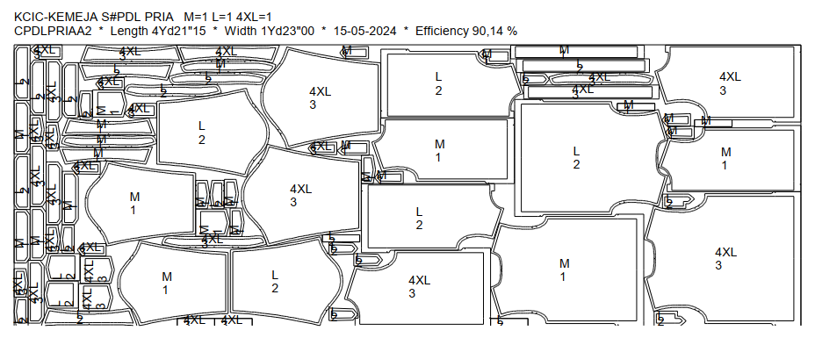
DATE | ITEM | WIDTH | SIZE | LENGHT & SIZE MARKER | MINI MARKER |  |  | YARD/PC | REMARKS | ALLOWANCE CONS%
 |  |  |  |  | Q T Y | LENGTH | EFF(%)
 | Body - Abu | 59" | XS-6XL | 4Yd21"15 | 3 | 4.596 | 9014% | 1.532 |  | 0.0%
 |  |  |  | M=1 L=1 4XL=1 |  | 4 | YD
 |  |  |  |  |  | 21 | " + allowance
 |  |  |  |  |  | 15 | '

A3
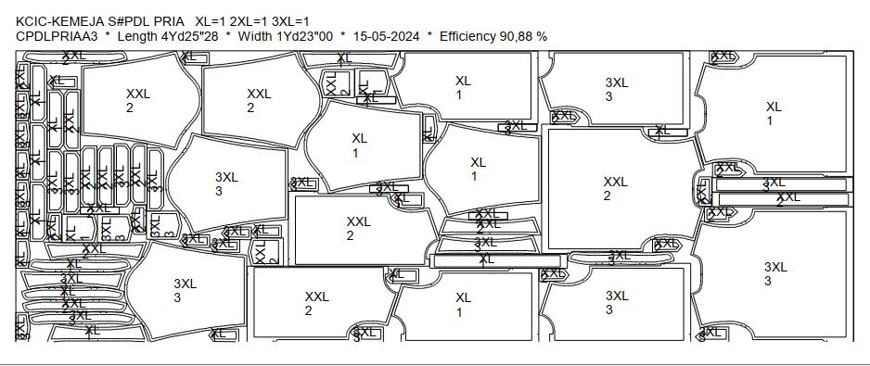
DATE | ITEM | WIDTH | SIZE | LENGHT & SIZE MARKER | MINI MARKER |  |  | YARD/PC | REMARKS | ALLOWANCE CONS%
 |  |  |  |  | Q T Y | LENGTH | EFF(%)
 | Body - Abu | 59" | XS-6XL | 4Yd25"28 | 3 | 4.719 | 9088% | 1.573 |  | 0.0%
 |  |  |  | XL=1 2XL=1 3XL=1 |  | 4 | YD
 |  |  |  |  |  | 25 | " + allowance
 |  |  |  |  |  | 28 | '

A4
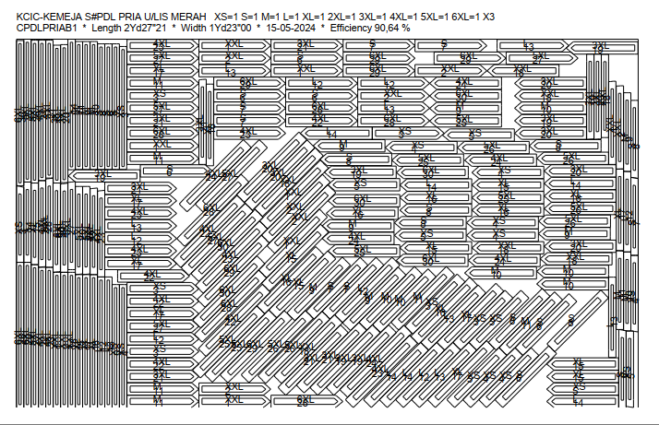
DATE | ITEM | WIDTH | SIZE | LENGHT & SIZE MARKER | MINI MARKER |  |  | YARD/PC | REMARKS | ALLOWANCE CONS%
 |  |  |  |  | Q T Y | LENGTH | EFF(%)
8-May-24 | Lis Merah | 59" | XS-6XL | 2Yd27"21 | 30 | 2.768 | 9064% | 0.092 | Collar, chest, skoder tangan | 0.0%
 |  |  |  | XS=1 S=1 M=1 L=1 XL=1 2XL=1 3XL=1 4XL=1 5XL=1 6XL=1 X3 |  | 2 | YD
 |  |  |  |  |  | 27 | " + allowance
 |  |  |  |  |  | 21 | '

A5
DATE | ITEM | WIDTH | SIZE | LENGHT & SIZE MARKER | MINI MARKER |  |  | YARD/PC | REMARKS | ALLOWANCE CONS%
 |  |  |  |  | Q T Y | LENGTH | EFF(%)
8-May-24 | Interlining | 44" | XS-6XL | 1Yd35"12 | 10 | 1.983 | 8984% | 0.198 |  | 0.0%
 |  |  |  | XS=1 S=1 M=1 L=1 XL=1 2XL=1 3XL=1 4XL=1 5XL=1 6XL=1 |  | 1 | YD
 |  |  |  |  |  | 35 | " + allowance
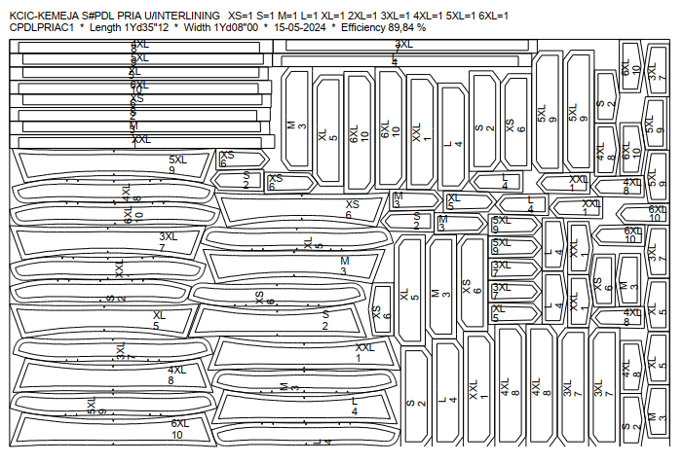
 |  |  |  |  |  | 12 | '
 | Reflective 3M | 2,5 cm

